Sheet1
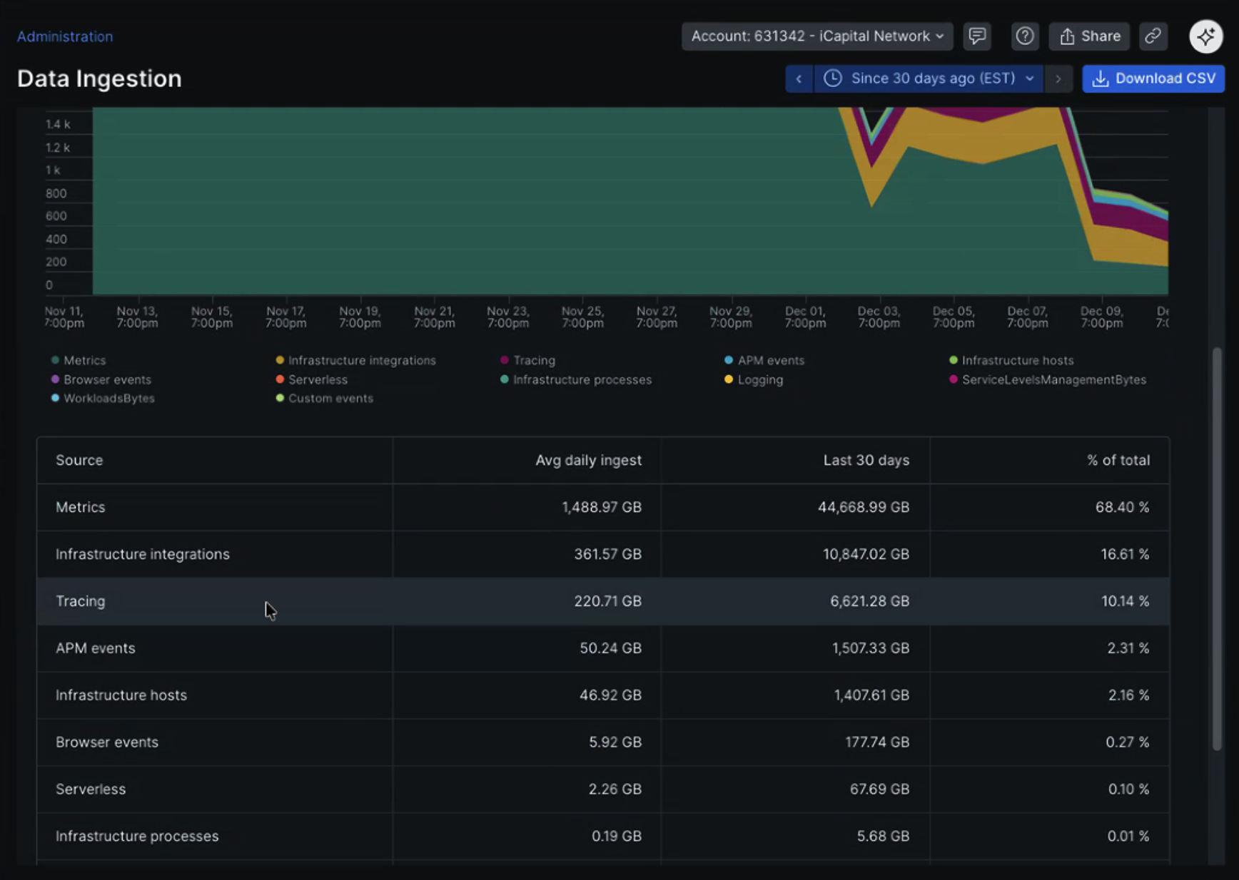

Metrics | 1488 | Metrics
Infrastructure Integrations | 361 | Metrics
APM events | 50 | Traces
Logging | 0 | Logs
Tracing | 220 | Traces
Infrastructure Hosts | 46.92 | Metrics
Infrastrucure Processes |  | Metrics
Custom events |  | Logs
Serverless | 2.26 | Logs
Browser events | 5.92 | RUM
Mobile events |  | RUM

Logs | 2.26
Metrics | 1895.92 | 1,895,920 | <- numseries
Traces | 270
RUM | 5.92
Full Platform users | ???

 | $0.40/GB

 | 867.272 | 26382.41424
 |  | 316588.9709

 |  | $65,307
 |  | $313,474

